Logic-ALV Report
Object Description |  | Need a report with functionality to display all the Profit Centre Accounting Details in ALV format. The Account number field of ALV should be editable. The changes should be captured. Design the push button 'Change History' and the button should be abale to display the change logs as Adobeform

Logic for Report
1 | Select the fields from ZGLPCT, ZGLPCO and ZGLPCV table using inner join
2 | Display an ALV using 'REUSE_ALV_GRID_DISPLAY'
3 | The Account Number field of ALV should be editable throughout the column
4 | The standard 'SAVE' button should be able to save new changes
5 | The Changed field value should be update in the table behind it and the appropriate message should be displayed on save
6 | The changed value should be captured and there should be backup availbe to find trace
7 | Whenever the ALV is called again the upadted value should be dispalyed
8 | Design a new table which should be able to store the change logs
9 | The newly created table should have all the fields selected from ZGLPCT, ZGLPCO & ZGLPCC along with new Account number value, Changed Time & Changed time
10 | The push button created on menu bar should call Adobe form which will display the complete history of change logs
11 | The standard Back, Exit and Leave button should function accordingly

Screenshots
 | ALV Screen |  | Adobeform
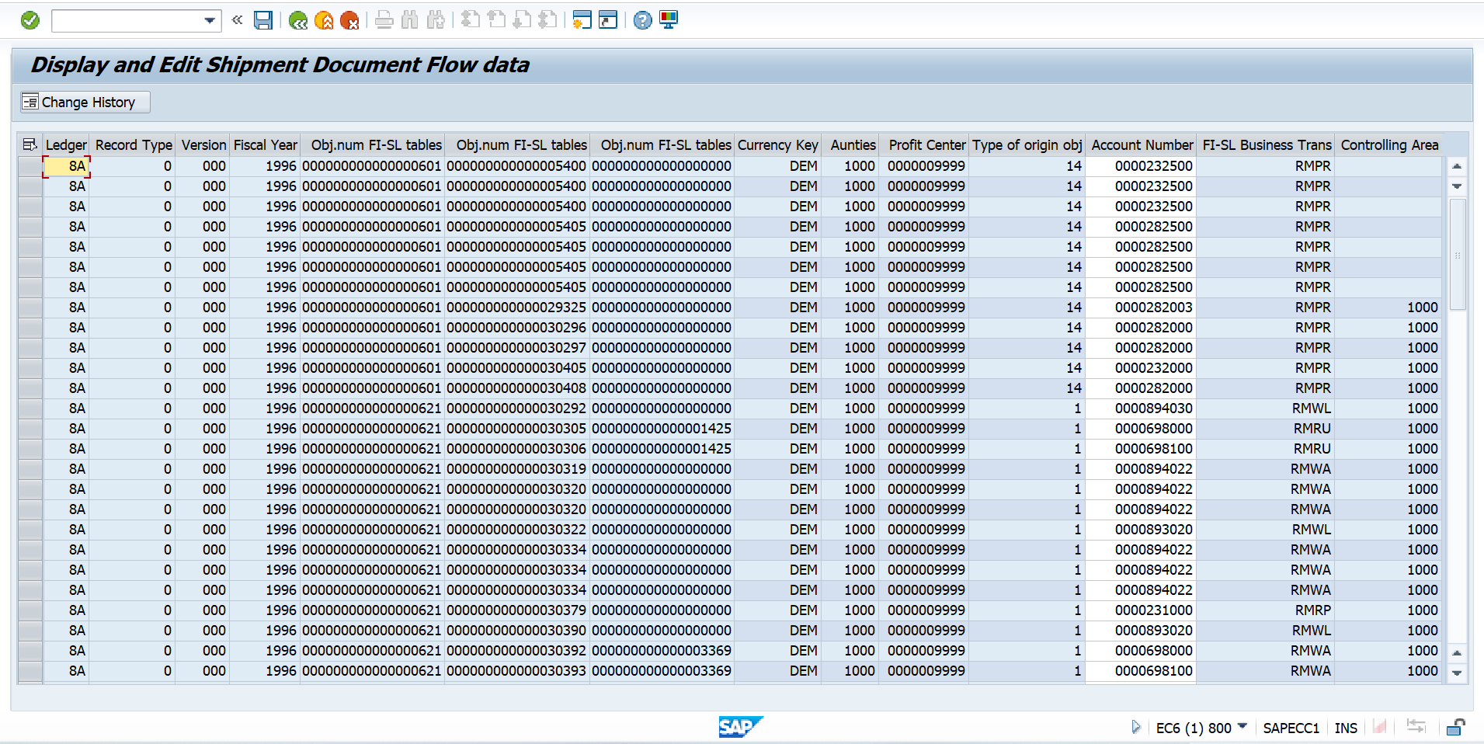
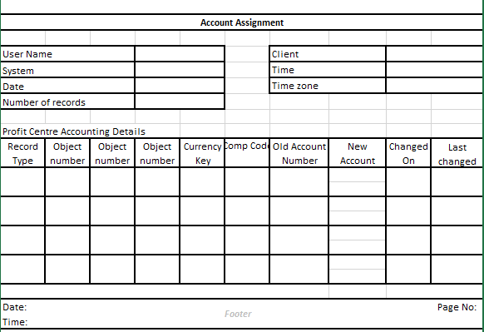

Logic to retrieve data from tables
 | How to retrieve data from Three Tables?
 | In the select query use inner join on ( ZGLPCT - RCLNT, RLDNR, RRCTY, RVERS, RYEAR, ROBJNR, COBJNR, SOBJNR, RTCUR ) ( ZGLPCO - OBJNR, BUKRS, HOART ) & ( ZGLPCC - OBJNR, RACCT, ACTIV, KOKRS ) where GLPCT-ROBJNR = GLPCO-OBJNR & GLPCT-COBJNR = GLPCC-OBJNR

